Training Offer
Training for Schools to Develop Provision for Speech, Language and Communication
2025 - 2026

This document is designed for schools to use to source training to develop provision for speech, language and communication.
It has been put together by representatives from the BCHC NHS Speech and Language Therapy team, Independent Speech and Language Therapy services, Pupil and School Support, Communication and Autism Team and SENCOs. Some training is funded through the NHS or Local Authority and some training can be bought in by school.
The training is listed under the 5 strands of the Balanced System. There are multiple tabs to naviagate:

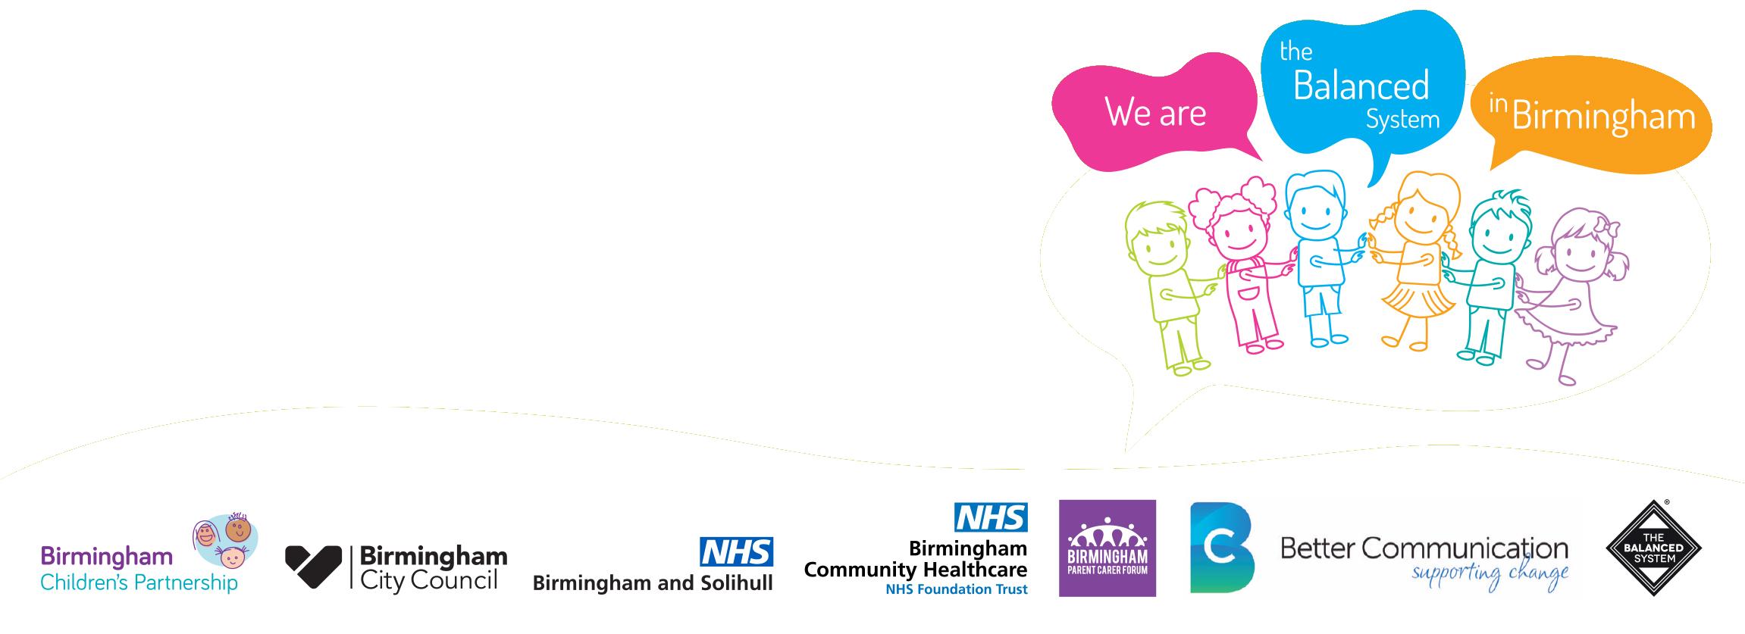

Contacts for Training Providers
Workforce
Family Support
Identification

Environment
Intervention

This is a working document which will be updated annually. If you would like to add or edit any information within the document please contact the BCHC SaLT team.

